1. Title Page
[Instacart Grocery Basket Analysis]

Project Name: Instacart Grocery Basket Analysis
Date: March 12th 2023
Analyst Name: Yeji Chun

Contents:
Population Flow
Consistency checks
Wrangling steps
Column derivations
Visualizations
Recommendations

2. Population Flow
Title page

Population flow

Exclusion flag
Condition: max_order<5
Obervations to be removed: LOW ACTIVITY CUSTOMER - total of 7,553,641 customers
Final total count of order_products_all: 23,076,100

Orders_products_combined
Orders_products_merged
Orders_products_all

Total: 32,404,859
Total: 32,434,489
Total: 23,076,100

3. Consistency checks
 |  |  |  | Title page
Consistency checks

Dataset | Missing values | Missing values treatment | Duplicates
orders | 206209 in "prior days" | imputed into zero | none
products | 16 in "product name" | removed | 5 duplicates
orders_products_prior | none | none | none
customers | 11259 in 'first name" | removed | none

4. Wrangling steps
 |  |  |  | Title page
Wrangling steps

Columns dropped | Columns renamed | Columns' type changed | Comment/Reason
eval set | order dow to order day of week | order_id to string | eval set dropped because the number is same for all rows
 | surname in customer data changed to last name | user_id to string | order dow name changed because ithe name is not clear
 | STATE in customer data changed to State |  | order id and user id changed to string type because each number is specific to a customer
 | n_dependents in customer data changed to Dependents |  | columns in customer data renamed for clarification purpose
 | fam_status in customer data changed to Family Status

5. Column derivations
 |  |  |  | Title page

Column derivations and aggregations

Dataset | New column | Column/s it was derived from | Conditions
ords_prods_merged | busiest days | ordes__days_of_week | grouped by 2 busiest days, 2 least busiest and rest combined - depending on the number of orders in the day of the week
ords_prods_merged | busiest period of day | order_hour_of_day | grouped by 8 most ordered hours, 8 least ordered hours and 8 average orderd hours
ords_prods_merged | price range loc | prices | grouped based on prices of products. Prices less than 5, low range product, prices between 5 and 15 are mid-range products and prices above 15 are high range products
ords_prods_merged | loyalty flag | max orders | grouped by max orders; max order above 40 are labled loyal customers, max order between 10 and 40 are regular, and max order less or equal to 10 are new customers
ords_prods_merged | frequency flag | days since prior order median | grouped based on median of days since prior order. If the median is less than or equal to 10, labled as frequent customer. Median between 10 and less than or equal to 20, regular customers and median greater than 20 are non frequent customer
ords_prods_customers_combined | Regions | State | grouped based on us regions
ords_prods_customers_combined | Age Group | Age | groued by age group - age is ranging from 18 to 81 so the groups were divided into three.
ords_prods_customers_combined | Parental Status | Dependents | grouped based on number of dependants. No dependants meant single adult, young parents were younger age group with dependants. Older parents were mid range age and older range with dependants.

Price Range Loc
Labels | Frequencies
Mid-range product | 21860860
Low-range product | 10126321
High-range product | 417678

Busiest Days
Labels | Frequencies
Regularly busy | 22416875
Busiest day | 6204182
Least busy | 3783802

Busiest Period of Day
Labels | Frequencies
Most orders | 21118071
Average orders | 9997651
Fewest orders | 1289137

Loyalty flag
Labels | Frequencies
Regular Customers | 15876776
Loyal Customers | 10284093
New Customers | 6243990

Frequecy flag
Labels | Frequencies
frequent customer | 21559853
regular customer | 7208564
non-frequent customer | 3636437

Regions
Labels | Frequencies
South | 10198982
West | 7831810
Midwest | 7176924
Northeast | 5422025

Age Group
Labels | Frequencies
older range | 7876519
mid range | 7616253
younger range | 7583328

Parental Status
Labels | Frequencies
Older Parent | 11590319
Single Adult | 5766770
Young Parent | 5719011

6. Visualizations
 | Title page

Visualisations



Figure 2. Histogram of Prices
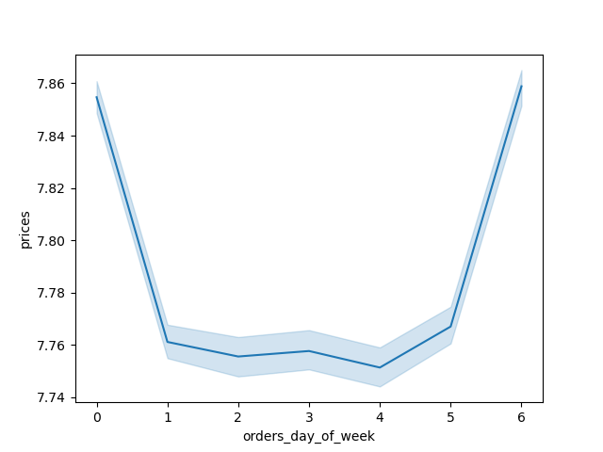
Figure 3. Prices throughout the Week: Subset
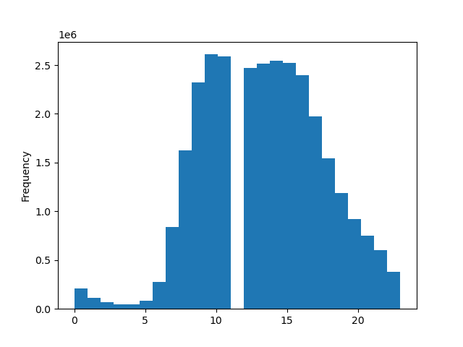
FIgure 4. Histogram of Orders throughout the Hours of the Day
Figure 1. Orders day of the week

0 - Saturday
1 - Sunday
2 - Monday
3 - Tuesday
Orders
4 - Wednesday
5 - Thursday
6 - Friday

Days of the Week
Prices
hours of the Day

This bar chart shows that most orders were placed on Saturday and Sunday.
Wednesday had the least number of orders
Thiis histogram shows the frequency distribution of prices on each products.
Most prices range from 0 to 15.
The line chart shows difference between prices throuhgout the week.
This chart is drawn from the subset of the data and is a representaton of the whole.
This histogram shows the frequency of orders placed throughout the hours of the day.
Most orders are placed between hours 8 to 17, with the exception of 12pm, where no
orders are placed.

Figure 5. Number of Customers based on Loyalty Flag
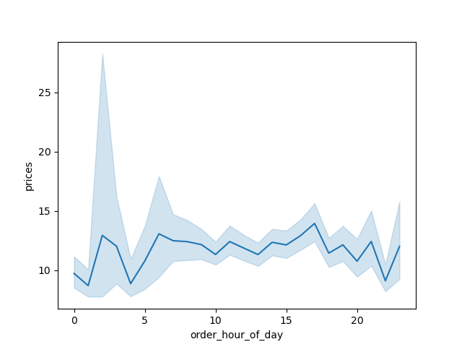
Figure 6. Prices throughout the Hours of Day : Subset
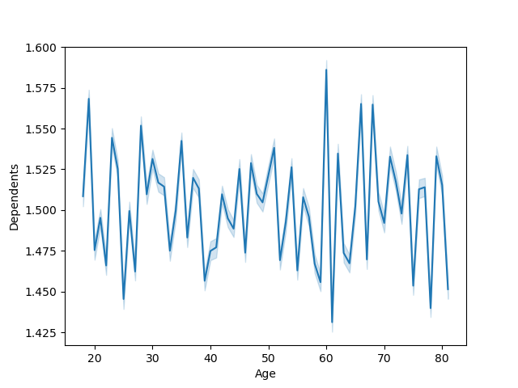
Figure 7. Number of Dependants based on Age: Subset
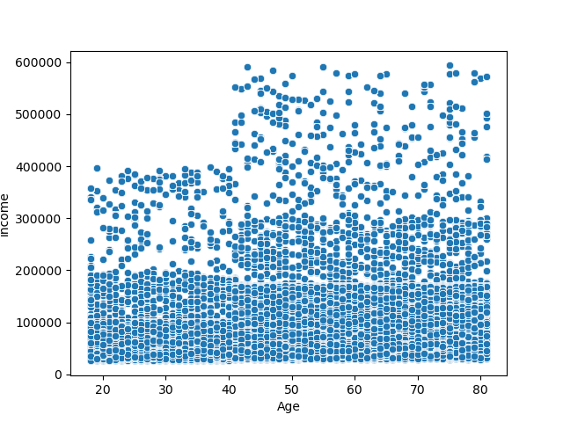
Figure 8. Scatterplot of Age and Income
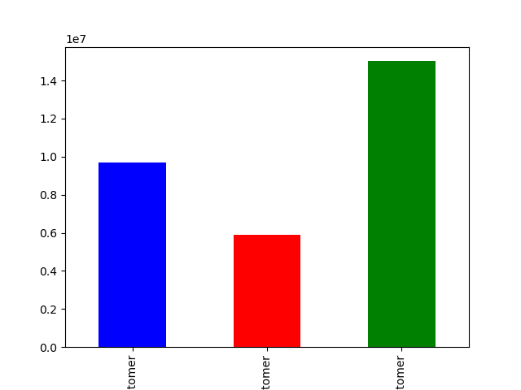

Number of Customers

Loyal
Customer
New
Customer
Regular
Customer

This bar chart shows that number of customers based on their loyalty flag.
Graph shows that there are more regular customers than loyal or new customers.
This scatterplot shows relationship between age and income.
The majority of the customers' income ranges from 0 to 200,000. T
here are few individuals in their 40s to 80s that have higher income up to 600,000
but customers in 20s to late 30s have highest income of 400,000.
This line chart shows the orders placed throughout the hour of the day in relation to the prices.
Orders placed between hours 5 and 15 have higher prices than the orders placed earlier or later in the day
This line chart shows relationship between age and number of dependants.
Customers age in 40s and 80s have lower number of dependents and there is higher
number of dependents for customers in early 20s and 30s and also even in 60s and 70s.
However, the number varies significantly in each age range that
we cannot really correlate age with number of dependents.

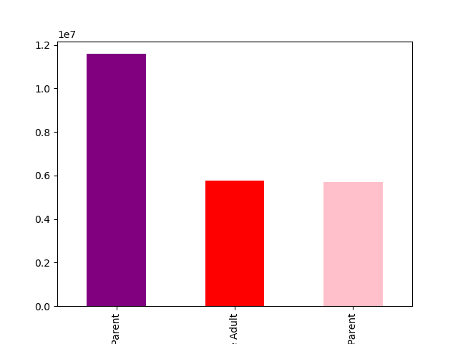
Figure 9. Parental Status
Figure 10. Histogram of Department ID
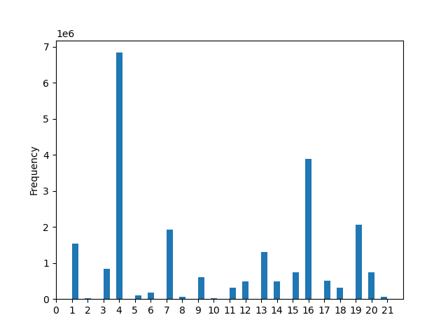
Figure 11. Regions Distribution
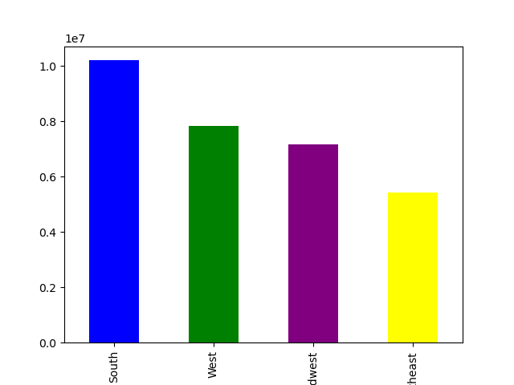

Number of Customers
 |  | Dept ID | Name
 |  | 1 | frozen
 |  | 2 | other
 |  | 3 | bakery
 |  | 4 | produce
 |  | 5 | alcohol
Number of Customers
 |  | 6 | international
 |  | 7 | beverages
 |  | 8 | pets
 |  | 9 | dry goods pasta
 |  | 10 | bulk
 |  | 11 | personal care
 |  | 12 | meat seafood
 |  | 13 | pantry
 |  | 14 | breakfast
 |  | 15 | canned goods
Older
Parent
Single
Adult
Young Parent
 |  | 16 | dairy eggs
 |  | 17 | household
Department ID
 |  | 18 | babies
This bar chart shows that number of customers based on their parental status.
Graph shows that there are more older parents but there are not much difference
between number of single adult and young parent.
 |  | 19 | snacks
Histogram shows frequency of orders based on department id.
Department 4 has the highest order frequency
 |  | 20 | deli
 |  | 21 | missing
Bar chart shows that South region has highest number of customers

7. Recommendations
 |  |  |  |  |  |  | Title page

Recommendations

 | Question | Answer | Table 1.
 | 1. The sales team needs to know what the busiest days of the week and hours of the day are (i.e., the days and times with the most orders) in order to schedule ads at timeswhen there are fewer orders. | Busiest days of the week are Saturday and Sunday with busiest hours being between hours 8-17 with the except of 12pm. Refer to figure 1 and 4 in visualiztion | Regions | Older Parent | Single Adult | Young Parent
 | 2. They also want to know whether there are particular times of the day when people spend the most money, as this might inform the type of products they advertise at these times | Most people spend money on early morning to late afternoons, around 6am to 5pm, as seen in figure 6. | Midwest | 2713626 | 1361875 | 1319586
 | 3.. Are there certain types of products that are more popular than others? The marketing and sales teams want to know which departments have the highest frequency of product orders. | Department 4, 16, and 9 has the highest frequency of product orders, which is produce, dairy/eggs, dry goods/pasta respectively. (figure 10) | Northeast | 2076833 | 1006897 | 1005821
 | 4. The marketing and sales teams are particularly interested in the different types of customers in their system and how their ordering behaviors differ. For example: |  | South | 3826215 | 1918696 | 1937460
 | 4a. What’s the distribution among users in regards to their brand loyalty (i.e., how often do they return to Instacart)? | Loyal customers are also the most frequent customers according to table 4. The crosstab between loyalty flag and frequency flag shows that there is no non-frequent customer that is also a loyal customer. Also, new customers are also the non- frequent customer as well. | West | 2973645 | 1479302 | 1456144
 | 4b. Are there differences in ordering habits based on a customer’s loyalty status? | Ordering habits does not seem to be different based on loyalty status. As seen in figure 12, all three statuses show same pattern in regards to popularity of the departments.
 | 4c. . Are there differences in ordering habits based on a customer’s region? | As seen in table 2, the ratio of high spenders nad low spenders are same in each regions, with south having most spenders overall. | Table 2.
 | 4d. Is there a connection between age and family status in terms of ordering habits? | While age doesn't really show diffference in frequency of customers, there are definitely more number of customers that are frequent customers in married family status (figure 13 and 14) | Regions | high spender | low spender
d |  |  | Midwest | 149817 | 7027107
Figure 13. Age and Frequency Relationship
 | frequent customer | non-frequent customer | regular customer
 | 309918 | 58095 | 104850
 | 332672 | 52123 | 107182
 | 319192 | 53836 | 105859
 | 321463 | 56862 | 107216
 | 326651 | 54067 | 102868
 | 337827 | 49885 | 104648
 | 311418 | 53548 | 111691
 | 289368 | 50204 | 104050
 | 320399 | 57231 | 103277
 | 326669 | 55054 | 108805
 | 301257 | 51411 | 108754
 | 329162 | 54279 | 108421
 | 312572 | 56713 | 111747
 | 335571 | 52076 | 110727
 | 297481 | 57109 | 113092
 | 301155 | 52155 | 106933
 | 318865 | 50879 | 111961
 | 324437 | 56613 | 106835
 | 304233 | 52336 | 103435
 | 312871 | 53220 | 110441
 | 338347 | 50896 | 105897
 | 326566 | 53935 | 106350
 | 317057 | 52963 | 107459
 | 297407 | 55067 | 95349
 | 321165 | 50050 | 107467
 | 335541 | 49862 | 108027
 | 325656 | 54416 | 108091
 | 317298 | 60589 | 102177
 | 303163 | 56344 | 108500
 | 317057 | 56805 | 109747
 | 340552 | 55194 | 105075
 | 330263 | 58363 | 109196
 | 308882 | 53177 | 100926
 | 321795 | 55381 | 111294
 | 323081 | 53595 | 99584
 | 310402 | 53771 | 107004
 | 330726 | 55327 | 109910
 | 321924 | 53128 | 115610
 | 333686 | 56902 | 108119
 | 306275 | 53803 | 112590
 | 316140 | 52517 | 107084
 | 311989 | 53019 | 106679
 | 299131 | 56256 | 103431
 | 307745 | 53181 | 103773
 | 302361 | 56319 | 113123
 | 315563 | 52231 | 105143
 | 343503 | 56507 | 98018
 | 301305 | 50755 | 100860
 | 298407 | 51390 | 101612
 | 304593 | 52835 | 106481
...
 |  |  | Northeast | 101420 | 5320605
 |  |  | South | 196523 | 10002459
 |  |  | West | 147803 | 7684007

Figure 12. Orders based on Department ID and Loyalty Status
 | Loyal customer | New customer | Regular customer
1 | 574370 | 458812 | 1079877
2 | 9959 | 7260 | 16816
3 | 359156 | 211795 | 537589
4 | 2976740 | 1641020 | 4345736
5 | 37182 | 35821 | 73532
6 | 73999 | 53956 | 126686
7 | 807442 | 484526 | 1248191
8 | 24109 | 19253 | 48891
9 | 229421 | 178646 | 411747
10 | 13093 | 4977 | 14542
11 | 115456 | 93135 | 212977
12 | 191305 | 138780 | 341157
13 | 527692 | 370844 | 872635
14 | 208344 | 130899 | 324007
15 | 277907 | 223177 | 508576
16 | 1726929 | 919183 | 2455073
17 | 184310 | 157456 | 354920
18 | 156412 | 56752 | 187214
19 | 890309 | 505205 | 1334968
20 | 305986 | 194540 | 493038
21 | 17269 | 16124 | 32018
 |  |  | Table 3.
 |  |  | loyalty_flag | high spender | low spender
 |  |  | Loyal customer | 200485 | 9506905
 |  |  | New customer | 108596 | 5793565
 |  |  | Regular customer | 286482 | 14733708

 |  |  | Table 4.
 |  |  | loyalty_flag | frequent customer | non-frequent customer | regular customer
 |  |  | Loyal customer | 9703990 | 0 | 3400
 |  |  | New customer | 1558425 | 2578095 | 1765636
 |  |  | Regular customer | 9100291 | 864855 | 5055044

Figure 14. Family Status and Frequency Relations
 | frequent customer | non-frequent customer | regular customer
divorced/widowed | 1761500 | 287861 | 580605
living with parents and siblings | 992533 | 165885 | 312414
married | 14295432 | 2428029 | 4785745
single | 3313241 | 561175 | 1145316

